Important info
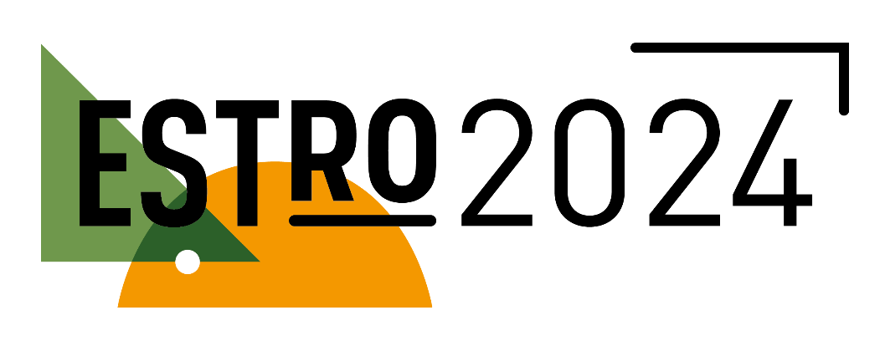

Venue | Scottish Event Campus Exhibition Way, Glasgow G3 8YW, United Kingdom
Website | https://www.estro.org/Congresses/ESTRO-2024

ONSITE FULL CONGRESS | EARLY RATE | LATE RATE | DESK RATE
(incl. 20% UK VAT) | Until 24/01/2024 | From 25/01 to 03/04/2024 | As of 04/04/2024
ALL DAY REGISTRATION
MEMBERS IN-TRAINING/RTT/STUDENT* | 345 €
MEMBERS EMERGING COUNTRIES** | 400 €
MEMBERS | 475 € | 710 € | 1,000 €
NON-MEMBERS | 840 € | 1,155 € | 1,420 €
ONE DAY REGISTRATION
MEMBERS IN-TRAINING/RTT/STUDENT* | 275 €
MEMBERS EMERGING COUNTRIES** | 275 €
MEMBERS | 275 € | 420 €
NON-MEMBERS | 580 €
ADD-ONS - PRE-MEETING COURSES
MEMBERS IN-TRAINING/RTT/STUDENT* | 180 €
MEMBERS EMERGING COUNTRIES** | 210 € | 275 € | 340 €
MEMBERS | 210 € | 275 € | 340 €
NON-MEMBERS | 275 € | 330 € | 400 €
ADD-ONS - CONTOURING WORKSHOPS
MEMBERS IN-TRAINING/RTT/STUDENT* | 95 €
MEMBERS EMERGING COUNTRIES** | 125 €
MEMBERS | 125 €
NON-MEMBERS | 190 €
ADD- ONS - EACH ADDITIONAL CONTOURING WORKSHOP
MEMBERS IN-TRAINING/RTT/STUDENT* | 35 €
MEMBERS EMERGING COUNTRIES** | 55 €
MEMBERS | 55 €
NON-MEMBERS | 75 €
ADD- ONS - AFTER DINNER EVENT
AFTER-DINNER EVENT | €

Important Reminders
ESTRO members 2024 can benefit from a substantially reduced registration fee. To benefit from this member rate, please visit the membership page to become a member or renew your 2024 membership BEFORE proceeding with your order and discover the other membership advantages.
*ESTRO Members with specialty RTT may register at the In-training fee.
*To register as a student, you should be an ESTRO member and send a copy of your valid student card to events@estro.org before completing the registration. Institute letter is not accepted.
** Participants from emerging countries may register at a preferential rate. Emerging country fee applies to individuals from low-income and lower-middle-income economies according to the World Bank listing available.
Each participant must register using their individual email address, as they will each receive their unique login for the ESTRO 2024 apps.
Cancel my registration – You can cancel your registration and get a full refund of the registration fee minus handling charges of 15%. This option is available until 1 month before the congress. No refund will be possible if the cancellation is postmarked after this date. Please send an email with your request to events@estro.org.

